6-8.Ingre&Nutrition&Allergens
6.Product Composition
Ingredients | Components |  | % Composition | Supplier Names |  |  | Country of Origin
(Including E numbers and *functions for additives) | (if ingredient is composed of several sub-ingredients) |  | (Please list the ingredients in descending order) | (Please list all suppliers per ingredient)
white sesame seed | − |  | 59.00% | Zhumadian Dingzhi Food Co., Ltd |  |  | CHINA
black sesame seed | − |  | 18.00% | Zhumadian Dingzhi Food Co., Ltd |  |  | CHINA
green laver/sea lettuce/Ulva lactuca L | − |  | 14.00% | Dalian Fengyu Food Co., Ltd |  |  | CHINA
dried nori seaweed/Porphyra | − |  | 5.00% | Nantong Sun Food Co., Ltd |  |  | CHINA
sugar | − |  | 2.50% | Guangdong Huatang Industrial Co., Ltd |  |  | CHINA
salt | − |  | 1.40% | Dalian Yanhua Group Co., Ltd |  |  | CHINA
yeast extract powder | yeast extract, salt |  | 0.10% | Weiling Food Technology Co., Ltd |  |  | CHINA
 |  | Total | 100.00%
*Please choose the functional of food additives from below: sweeteners / colours / preservatives / antioxidants / carriers / acids / acidity regulators / anti-caking agents / anti-foaming agents / bulking agents / bulking agents / emulsifiers / emulsifying salts / firming agents / flavor enhancers / foaming agents / gelling agents / glazing agents / humectants / modified starches / packaging gases / propellants / raising agents / sequestrants / stabilisers / thickeners / flour treatment agents / contrast enhancers

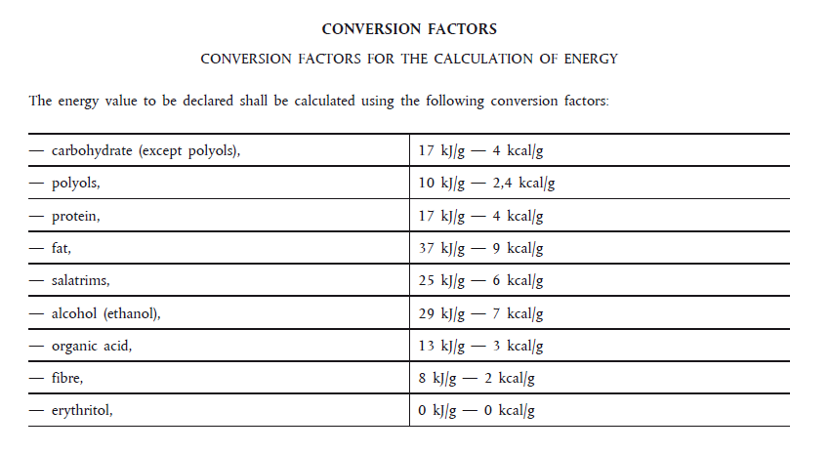
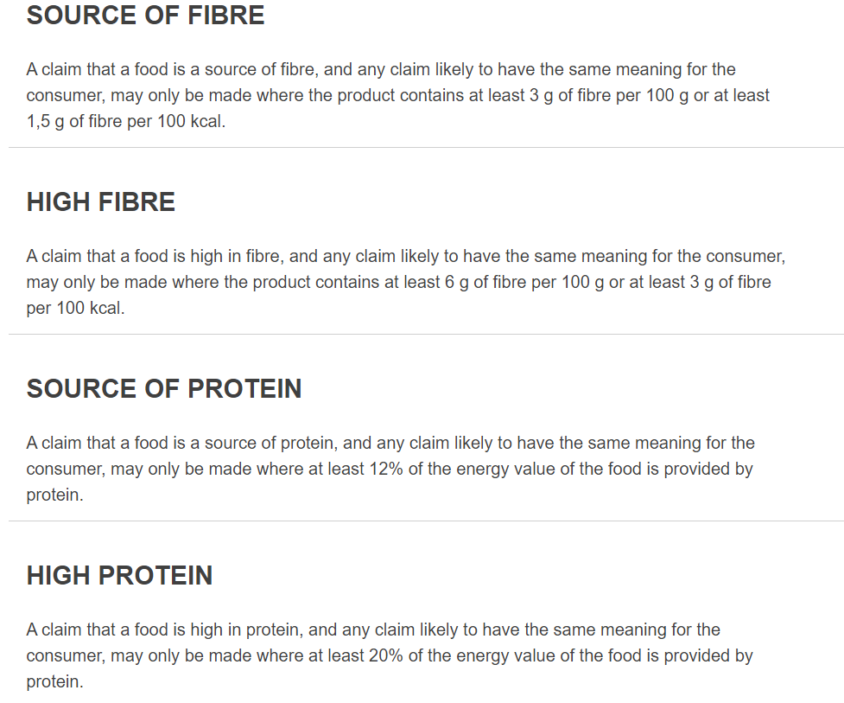
7.Nutritional Information | * Not Mandatory
Typical Values (g) | Per 100g/100ml
Energy (Kcal/KJ) | 481Kcal/2014kJ
Fat | 35.2g
of which saturate fat | 2.4g
of which monounsaturated fat*
of which, polyunsaturated fat*
Carbohydrate | 15.9g
of which sugar | 10.6g
of which Polyols*
of which starch*
Fibre* | 15.0g
Protein | 18.9g |  | 75.6 | 0.15717255717
Salt | 5.77g
NOTE: Must attach lab analyses report
8.The fourteen Allergens – Regulation (EU) No 1169/2011
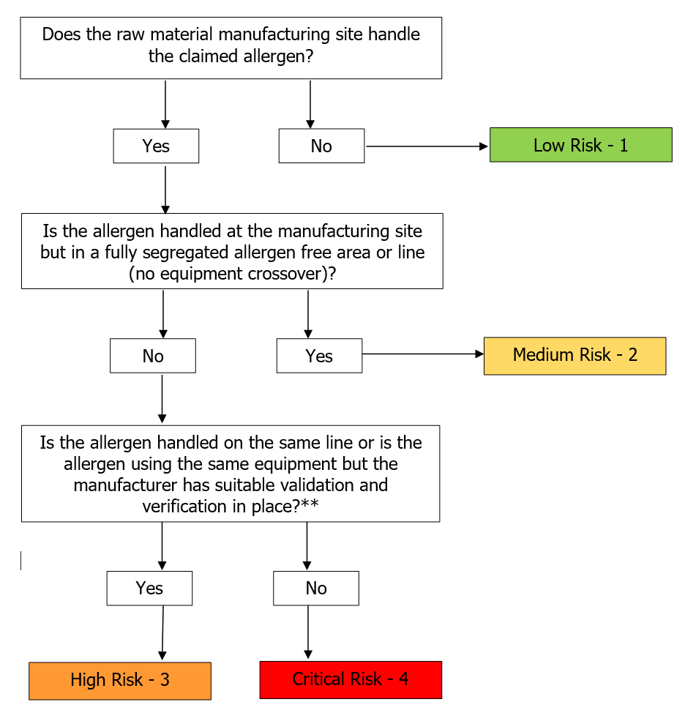
Potential Component |  | Product contains? | Handled on manufacturing site? | Handled on the same line use the same equipments ? | Measures to prevent Cross-contamination | Risk Rating：Low risk /Medium Risk /High Risk /Critical Risk | Precautionary allergen labelling (May Contain statement) needed?
*Please tick in the box |  | Yes/No | Yes/No | Yes /No |  |  | Yes/No
Cereals containing gluten including wheat, Rye, Barley, Oats, Spelt & Khorasan and products thereof: |  | no | Yes | Yes | 1. Give priority to the production of semi-finished products that do not contain allergic substances; 2. Allergic substances are stored and labelled in designated areas; 3. After production, the entire area is thoroughly cleaned; 4. Verification of cleaning results. | High Risk | No
Crustaceans and products thereof: |  | no | Yes | Yes | 1. Give priority to the production of semi-finished products that do not contain allergic substances; 2. Allergic substances are stored and labelled in designated areas; 3. After production, the entire area is thoroughly cleaned; 4. Verification of cleaning results. | High Risk | No
Fish and products thereof: |  | no | Yes | Yes | 1. Give priority to the production of semi-finished products that do not contain allergic substances; 2. Allergic substances are stored and labelled in designated areas; 3. After production, the entire area is thoroughly cleaned; 4. Verification of cleaning results. | High Risk | No
Molluscs and products thereof: |  | no | No | No | N/A | Low Risk | No
Peanuts and products thereof: |  | no | Yes | Yes | Including 1. Give priority to the production of semi-finished products that do not contain allergic substances; 2. Allergic substances are stored and labelled in designated areas; 3. After production, the entire area is thoroughly cleaned; 4. Verification of cleaning results. | High Risk | No
Soybeans and products thereof: |  | no | Yes | Yes | Including 1. Give priority to the production of semi-finished products that do not contain allergic substances; 2. Allergic substances are stored and labelled in designated areas; 3. After production, the entire area is thoroughly cleaned; 4. Verification of cleaning results. | High Risk | No
Milk and products thereof: |  | no | No | No | N/A | Low Risk | No
Nuts and products thereof: |  | no | No | No | N/A | Low Risk | No
Celery and products thereof: |  | no | No | No | N/A | Low Risk | No
Mustard and products thereof: |  | no | No | No | Including 1. Give priority to the production of semi-finished products that do not contain allergic substances; 2. Allergic substances are stored and labelled in designated areas; 3. After production, the entire area is thoroughly cleaned; 4. Verification of cleaning results. | Low Risk | No
Sesame seeds and products thereof: |  | Yes | N/A (Contains) | N/A (Contains) | N/A (Contains) | N/A | N/A (Contains)
Sulphur Dioxide or Sulphites: |  | no | No | No | N/A | Low Risk | No
Lupin and products thereof: |  | no | No | No | N/A | Low Risk | No
Egg and products thereof: |  | no | Yes | Yes | Including 1. Give priority to the production of semi-finished products that do not contain allergic substances; 2. Allergic substances are stored and labelled in designated areas; 3. After production, the entire area is thoroughly cleaned; 4. Verification of cleaning results. | High Risk | No

9-13.Quality Attributes
9.Pesticide residues & Heavy Metal Standard
Test Item |  | EU MRL standard | Country of Origin MRL Standard | Test Frequency
Lead of final product |  |  | ≤1.0mg/kg | once a year
10.Acrylamide
Are Products at risk of acrylamide? |  |  |  |  | No
If Yes. What mitigation measures are in place to manage acrylamide levels with the food? |  |  |  |  | No
11.Radioactivity | *occurs naturally in all food and can be transferred into food in different ways eg crops from soil, drinking water from the earth, Fish and Shellfish from the water or Sea floor.
Has the product/ingredient been irradiated? |  |  |  |  | No
Is the product/ingredient subject to potential radioactive cross contamination? |  |  |  |  | No
If yes, what controls in place |  |  |  |  | N/A
Has the product/ingredient been imported into the UK from a country that has high levels of radioactivity? |  |  |  |  | No
If Yes, how is this controlled and what checks are carried out? |  |  |  |  | N/A
12.Microbiology Standards | *Please insert GB standard
Micro-organisms | Type | EU satisfactory in ready to eat | Satisfactory 满意 (即合格) | Boarderline 边界线 | Unsatisfactory 不满意(即不合格) | COA | *please clarify by filling in how many samples per day/PO rather than by each lot
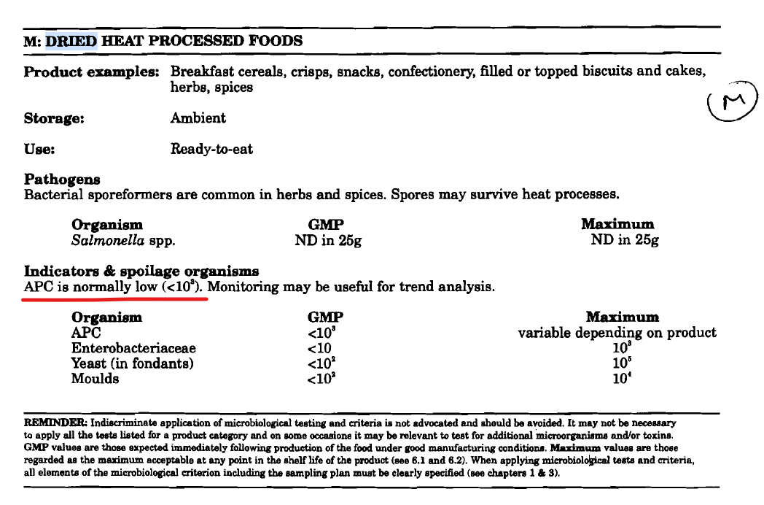
TVC | Quality Indicator | <104 | ≤104 | - | >104 | each batch | 菌落总数【内控】≤104
Escherichia coli | Hygiene indicator | <20 | - | - | - | -
Enterobacteriaceae | Hygiene indicator | <100 | - | - | - | -
Listeria spp | Hygiene indicator | Not Detected | - | - | - | -
Listeria monocytogenes | Pathogens | Not Detected | - | - | - | -
Campylobacter spp. | Pathogens | Not Detected | - | - | - | -
Escherichia coli O157 | Pathogens | Not Detected | - | - | - | -
Salmonella spp. | Pathogens | Not Detected | Not detected | - | detected | once per year | 沙门氏菌n=5、c=0、m=0、M=—
Shigella spp. | Pathogens | Not Detected | - | - | - | -
Vibrio cholera (O1 and O139) | Pathogens | Not Detected | - | - | - | -
Vibrio parahaemolyticus | Pathogens | <20 | - | - | - | -
Bacillus cereus | Pathogens | <103 | - | - | - | -
Bacillus spp. | Pathogens | <103 | - | - | - | -
Clostridium perfringens | Pathogens | <10 | - | - | - | -
Staphylococcus aureus and other coagulase-positive staphylococci | Pathogens | <20 | ≤100CFU/g | 100-1000CFU/g | >1000CFU/g | once per year | 金黄色葡萄球菌n=5、c=1、m=100CFU/g、M=1000CFU/g
Coliforms | Hygiene indicator | - | ≤10 | - | >10 | each batch | 大肠菌群【内控】≤10
13.Acceptance and Rejection standard
Standard Product Photo & Description |  | Rejected Product Photo& Description
IE. Grading, Sizing, Appearance, Flavor/taste, Texture, Colour, smell |  | IE. Grading, Sizing, Appearance, Flavor/taste, Texture, Colour, smell
Sensory: Its natural color, fragrance, taste, no peculiar smell, and no foreign body to be visible by naked eye. Moisture: ≤5.0% Net content: ≥100g |  | Sensory: Strange color, fragrance, taste, peculiar smell, or with foreign body to be visible by naked eye. Moisture: >5.0% Net content: <100g

14-16.Quantity&packaging
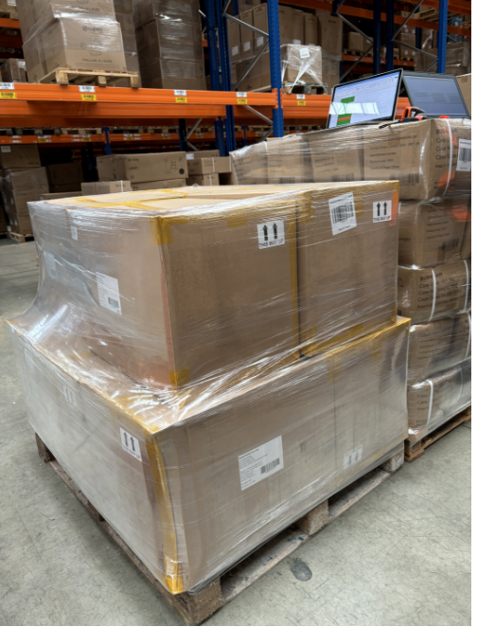
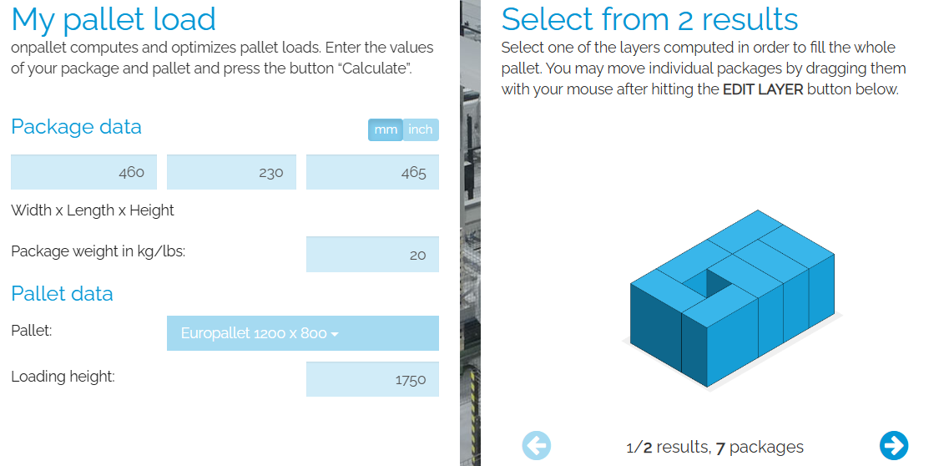
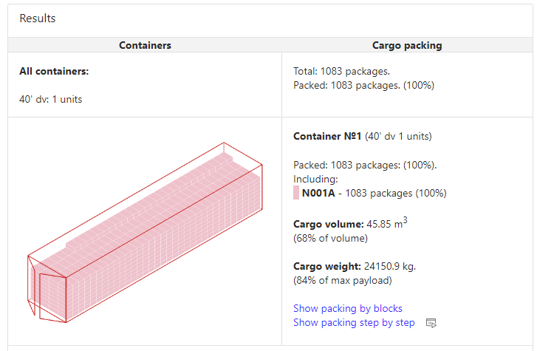
14.Quantity Attributes |  |  |  |  |  |  |  |  |  |  |  |  |  |  |  |  | Cases Per Container | Cases Per Pallet | No of Pallets | No of Selling Units | Selling Units Per Pallet
 | Unit (g) | Case (kg) |  |  |  |  |  |  |  |  |  |  |  |  |  |  | 1083 | 30 | 36.1 | 6498 | 180
Net Weight | 100 | 9.6
Gross Weight | 145 | 17.44
Is the product packed in a Protective atmosphere? (if yes, indicate the composition on gases used if applicable) |  |  | No
Is the product vacuum packed? |  |  | No
Primary Package Plastic Material Comply with Commission Regulation (EU) No 10/2011 |  |  | Yes
15.Packaging Weight Dimensions
 | Description/Color | Materials *please indicate the plastic material from below 01-07 | Weight (g) | Dimensions (mm)

Primary： | Plastic | PA PE Recycle (7+4) | 45 | L | 55
 |  |  |  | W | 55 |  | 12box/case
 |  |  |  | H | 150 |  | 6box/layer, 2 layers/case
Secondary: | Brown cardboard | Cardboard | 110 | L | 230 | 460 |  | 460 | 460 | 230 | 1380 |  |  | 460
 |  |  |  | W | 115 | 345 |  | 230 | 345 | 1035 | 230 |  | 172.5 | 0
 |  |  |  | H | 155 | 310 |  | 465 |  |  |  | 115
Tertiary: | Brown cardboard | Cardboard | 2200 | L | 460 | 460 |  |  |  |  |  |  | 287.5
 |  |  |  | W | 360 | 345 |  |  |  |  |  |  |  |  | 277.5 | 1387.5
 |  |  |  | H | 320 | 310
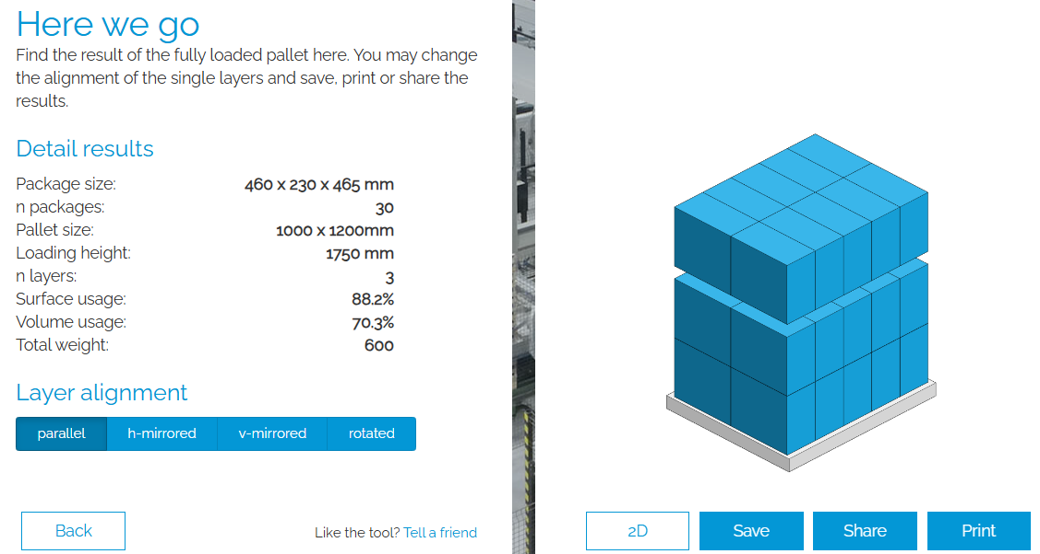
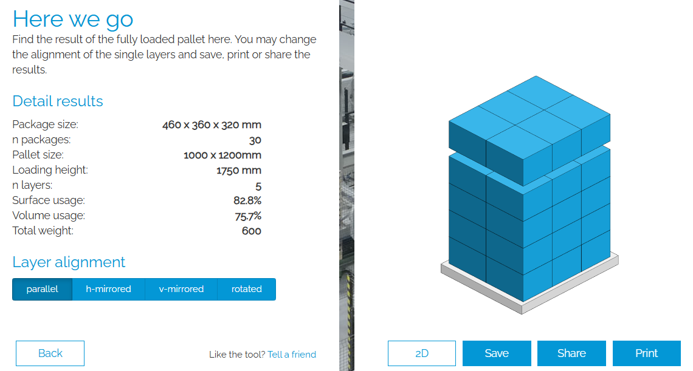
16.Pallet Configuration
 | EU Pallet Configuration (0.8m x 1.2m) |  | UK Pallet Configuration (1.0m x 1.2m)
Cases per layer | 4 |  | 6
Number of layers | 5 |  | 5
CTN Per Pallet | 20 |  | 30
Pallet height (m) | 1.6 |  | 1.6
Pallet weight (kg) | 348.8 |  | 523.2
20FCL Max Load without palletized | 560
40FCL Max Load without palletized | 1320
Pallet Top-View | 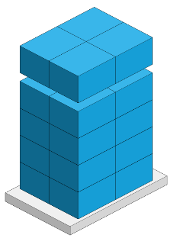 |  | 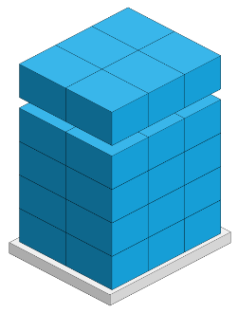
 | *pallet height must lower than 1.75m & weight under 1000kg

17-20.HACCP,Artwork&SpecAuthor.
17.Process Flow Chart- (showing all CCPs)
Please provide in the form a Critical Control Point (CCP), a description of the process/packing operations including processing times tempuratures where applicable and in process Safery Control Checks (CCP Summary) and Quality Checks.
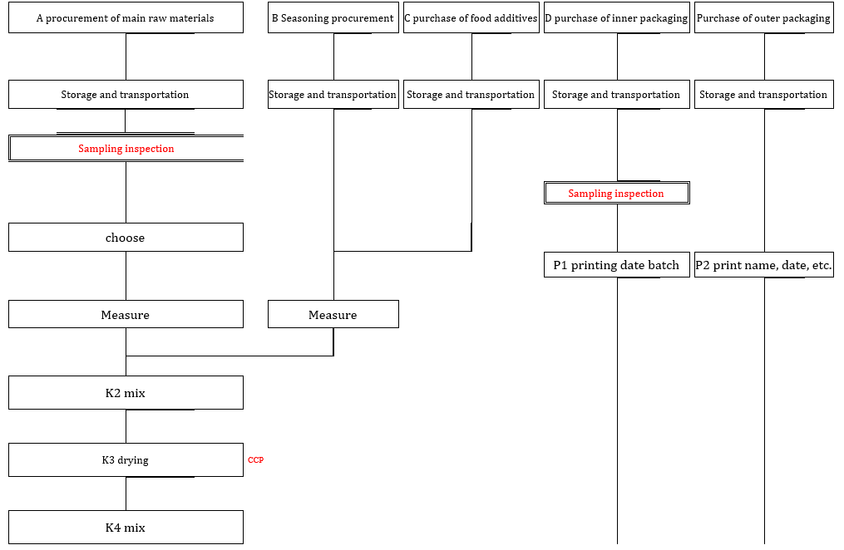 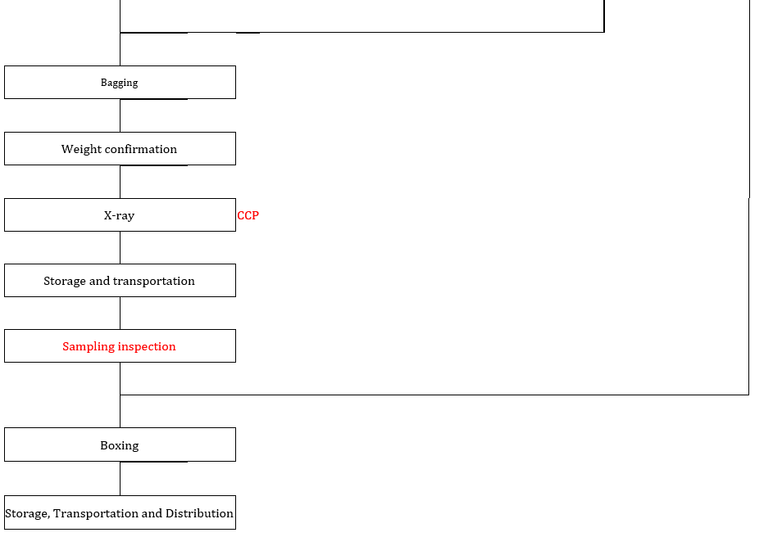

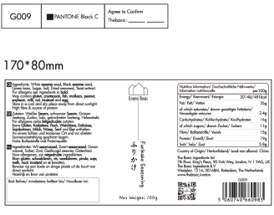
18.Critical Control Points
CCP | Control Measure |  | Critical Limit | Monitoring Frequency
DRYING | Drying temperature and time |  | Moisture ≤ 5 | Continuous monitoring
X-ray machine | Fe:3.0; SUS:3.0 |  | Fe1.2; SUS:1.0 | continuous monitoring
19.Artwork
Inner Label / Package Design artwork |  | Outer Label / Package Design artwork

20.Packaging Photos
Finished Product with Primary package | Outer Case (Secondary) |  | Tertiary
 | 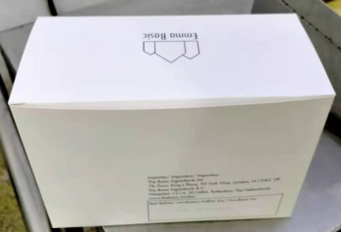 |  | 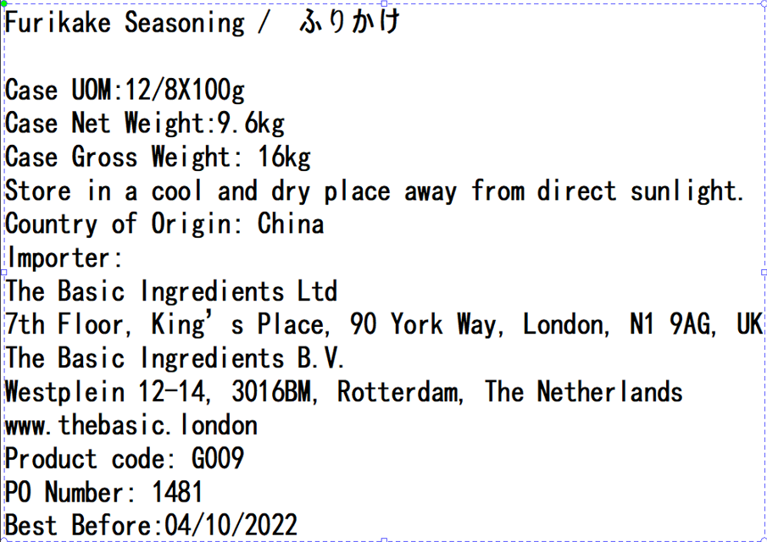
Specification Authorization
1.Product to be supplied in accordance with this agreed specification. No changes are to be made without prior knowledge and prior written agreement of The Basic Ingredients Ltd. 2.The contents of this specification are confidential and should not be disclosed to a third party without a written approval of The Basic Ingredients Ltd. 3. Product must be fit for purpose of the nature and substance stated in this specification and free from foreign body. 4. The raw materials used in this product fulfil the requirements described in the Regulation 1881/2006/EC related to contaminants in foodstuffs, the Regulation 396/2005/EC related to pesticides in foodstuffs, and their amendments. 5. The product has not been treated with ionising radiation and does not contain any irradiated ingredients- Regulated under Directive 1999/2/EC and Directive 1999/3/EC. 6. This product does not contain ingredients that contain GMO or consist of GMO or were produced from GMO - Regulated under Regulation (EC) No 1829/2003, Regulation (EC) No 1830/2003, and their amendments. 7. Products to be delivered using suitable transport in the stated conditions (i.e. ambient, chilled, frozen). 8. The information on this specification can be used without reservation to advise customers with food allergies, intolerances or aversions, especially those who may die from an anaphylactic reaction to traces of ingredients. 9. All materials intended to come into contact with foods complies with European regulations: Regulation (EC) No. 1935/2004, Regulation (EC) No. 2023/2006, Regulation (EU) No. 10/2011, Directives 82/711/EEC, 85/572/EEC, 2002/72/EEC (and the relevant amendments).
Manufacture Name | Dalian Mishima Foods Co.,Ltd.
Signature | 裴宇
Print Name | Peiyu
Position in Company | Office worker
Date | 2024-05-22

The Basic ingredients team use only
Signature | 邓瞿友忱
Print Name | Nancy Deng
Position in Company | Technical Account Manager
Date | 2024-05-22

